Scorecard
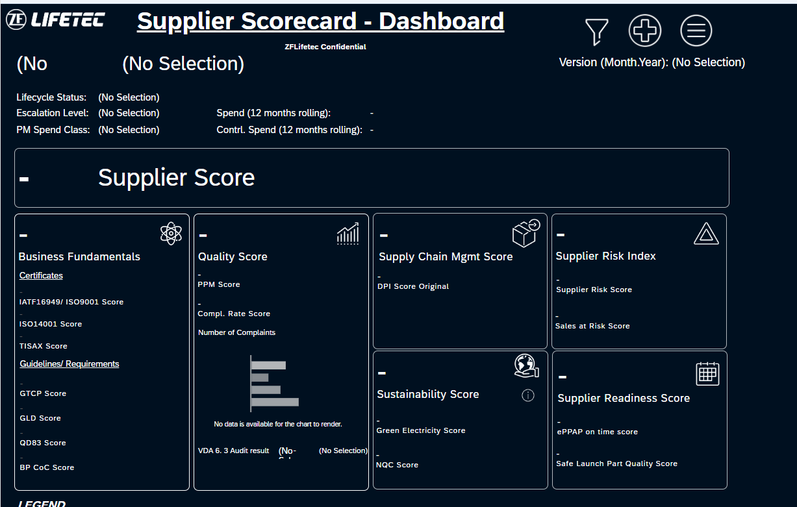
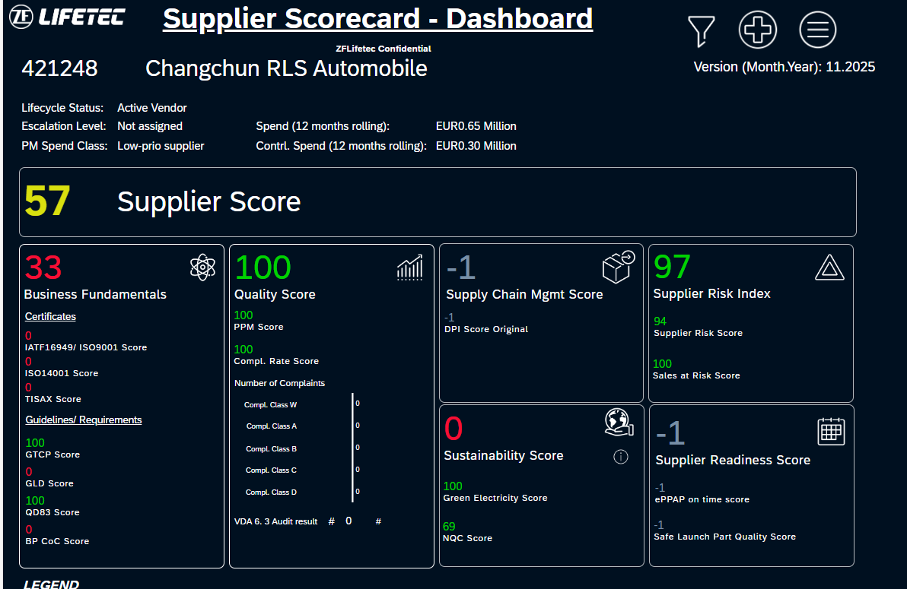
1. WUHU HONGJING ELECTRONICS CO., LTD | 3000039 | no record
2. Changchun RLS Automobile | 421248 | 57
3. Advanced Moulding Production Ltd. | 859214 | 93

BPP
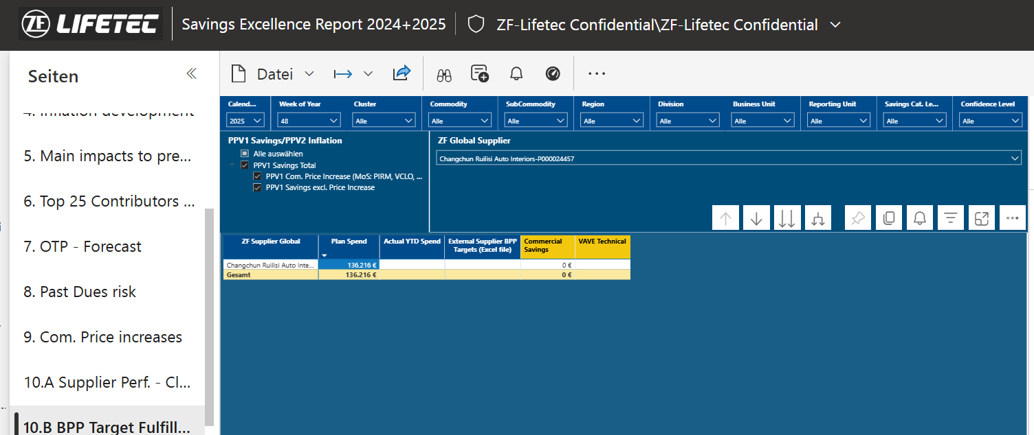
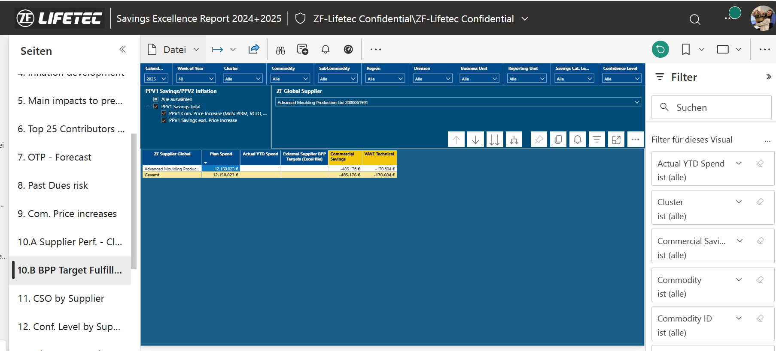
1. WUHU HONGJING ELECTRONICS CO., LTD | 3000039 | No record
2. Changchun RLS Automobile | 421248 | 0
3. Advanced Moulding Production Ltd. | 859214 | -655780

